description
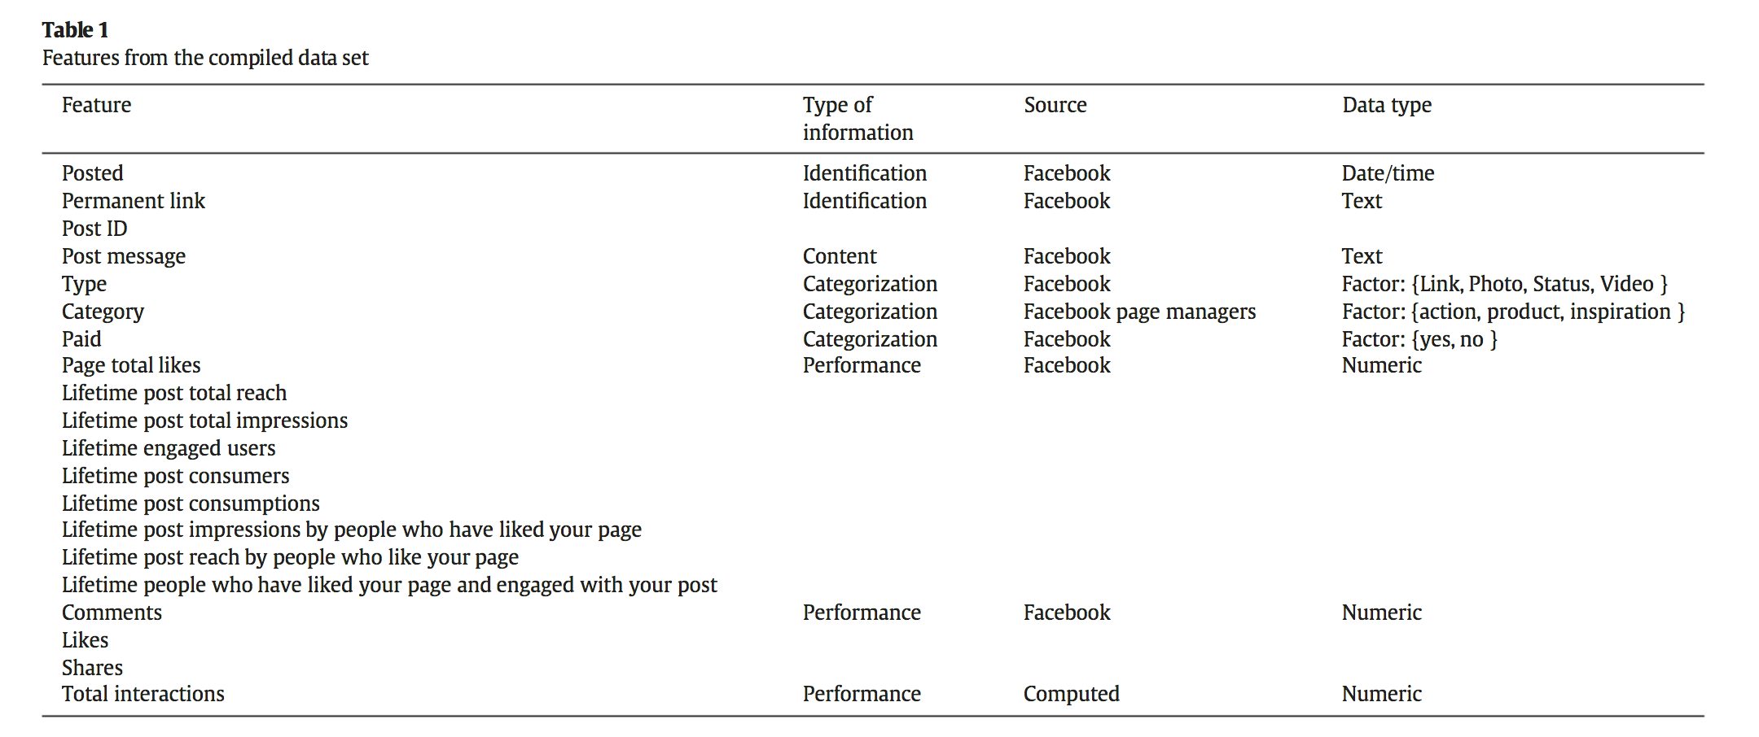
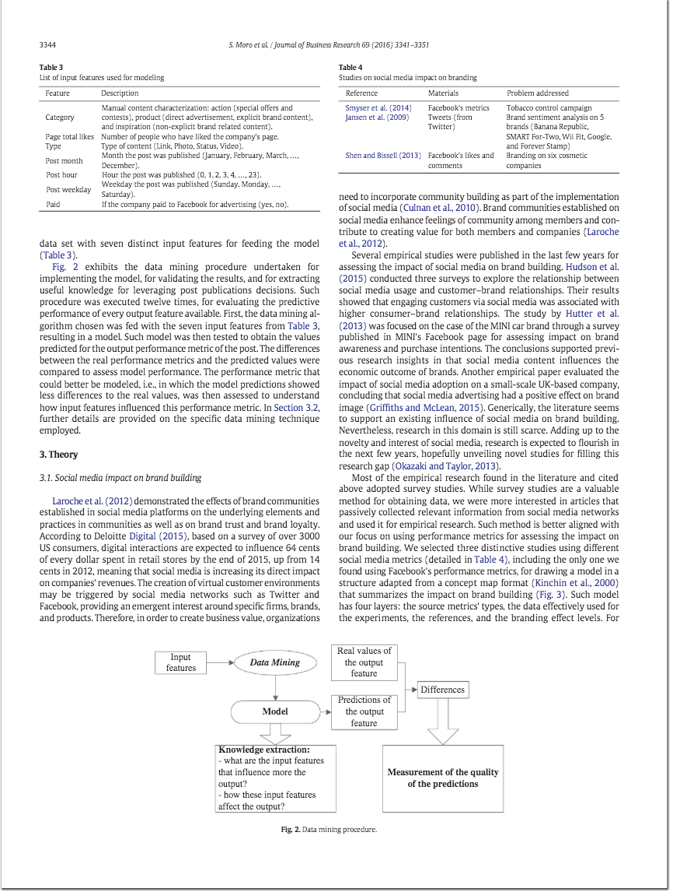
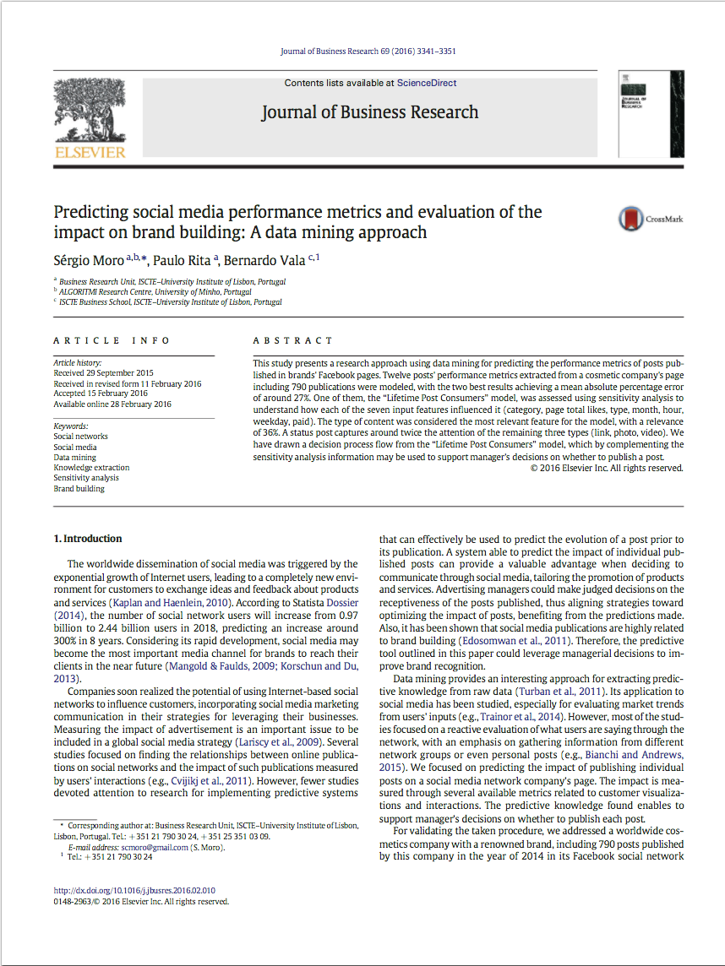
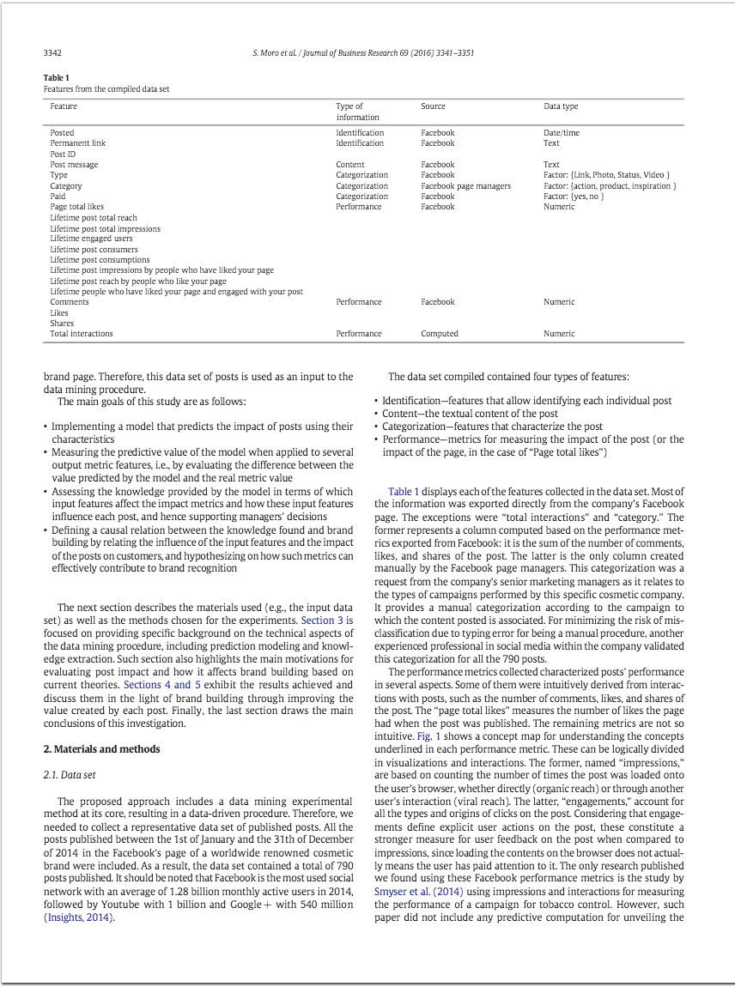
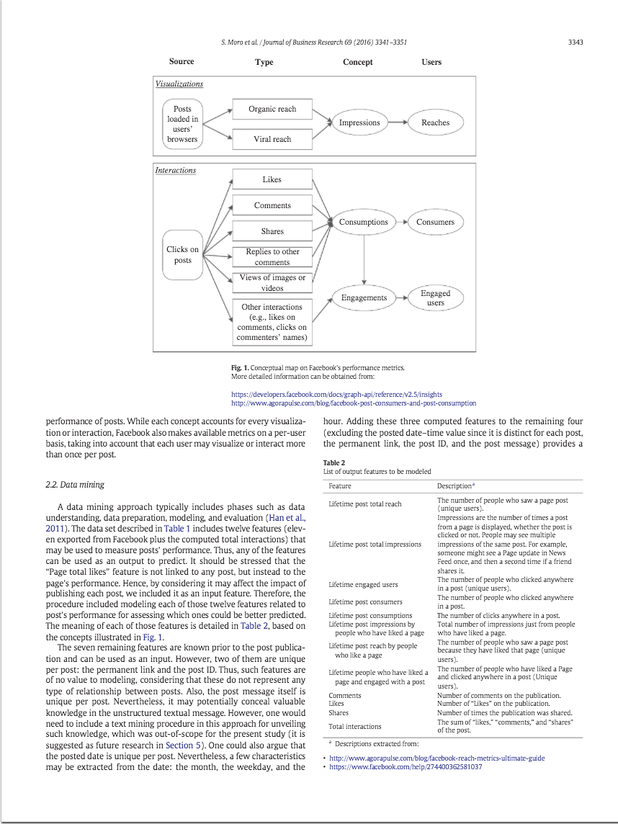
http://archive.ics.uci.edu/ml/datasets/Facebook+metrics

Moro, S., Rita, P., & Vala, B. (2016). Predicting social media performance metrics and evaluation of the impact on brand building: A data mining approach. Journal of Business Research, 69(9), 3341-3351.

